Less03_A1
EE417 Advanced Digital Logic with Verilog HDL |  |  |  |  | Biased codes (and Gray codes) are non-weighted codes.
L3 Assignment I: BCD to Xcess3 Converter |  |  |  |  | In excess-3 code, numbers are represented as decimal digits, and each digit is represented by four bits as the digit value plus 3 (the "excess" amount): The smallest binary number represents the smallest value (0 − excess).

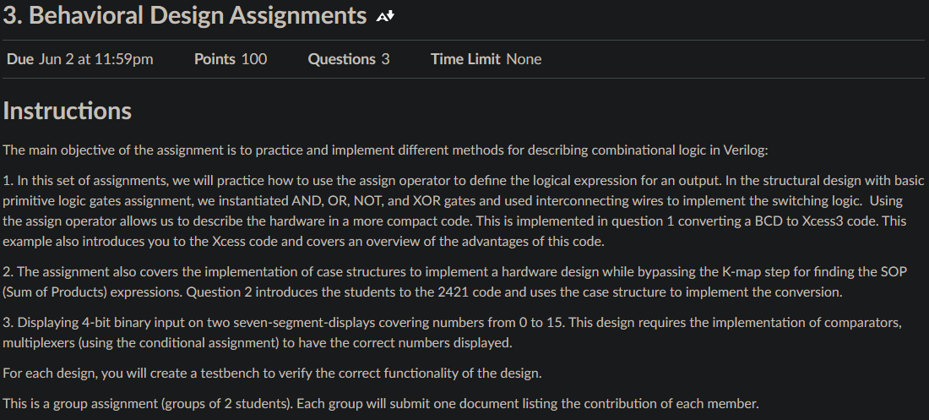

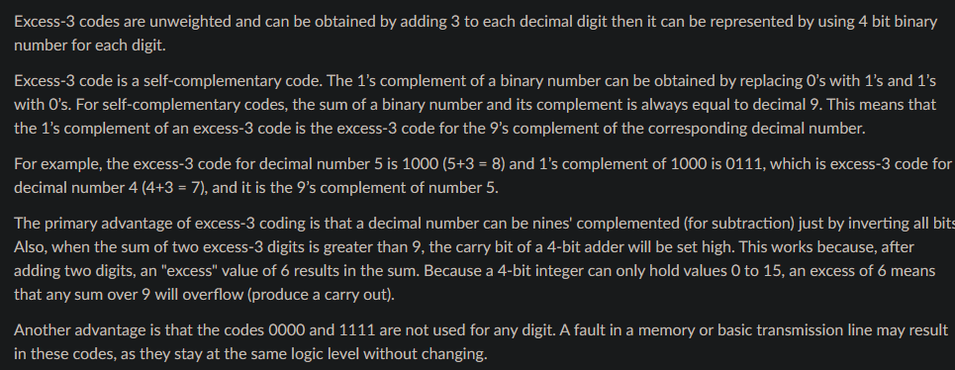

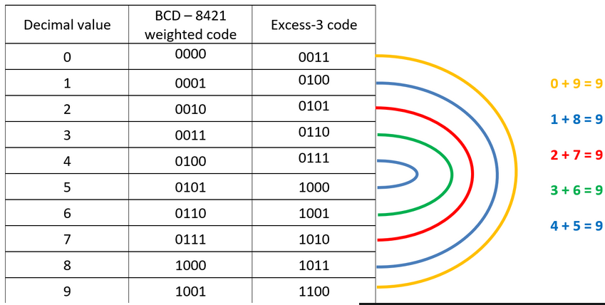
Truth Table for BCD (B) to Excess-3 (X) |  |  |  |  |  |  |  |  |  |  | Diagram for pinout of BCD to Excess3 Converter

Division of Responsibility
Assignment | Map/ Equations/Code | TestBench
1 | Kalin | Jammeh
2 | ? | ?
3 | ? | ?
K-map - bit X3 = (B0B2) + B3 + (B1B2) |  |  |  |  |  | K-map - bit X2 = (B1'B0'B2) + (B0B2') + (B1B2') |  |  |  |  | K-map - decimal value
B1B0\B3B2 | 00 | 01 | 11 | 10 |  | B1B0\B3B2 | 00 | 01 | 11 | 10 | B1B0\B3B2 | 00 | 01 | 11 | 10 | x0=B2
00 | 0 | 0 | X | 1 |  | 00 | 0 | 1 | X | 0 | 00 | 0 | 4 | 12 | 8 | x1=B0
01 | 0 | 1 | X | 1 |  | 01 | 1 | 0 | X | 1 | 01 | 1 | 5 | 13 | 9 | x2=B3
11 | 0 | 1 | X | X |  | 11 | 1 | 0 | X | X | 11 | 3 | 7 | 15 | 11 | x3=B1
10 | 0 | 1 | X | X |  | 10 | 1 | 0 | X | X | 10 | 2 | 6 | 14 | 10

K-map - bit X1 = B0'B1' + B0B1 = BO XNOR B1 |  |  |  |  |  | K-map - bit X0 = B0'
B1B0\B3B2 | 00 | 01 | 11 | 10 |  | B1B0\B3B2 | 00 | 01 | 11 | 10
00 | 1 | 1 | X | 1 |  | 00 | 1 | 1 | X | 1
01 | 0 | 0 | X | 0 |  | 01 | 0 | 0 | X | 0
11 | 1 | 1 | X | X |  | 11 | 0 | 0 | X | X
10 | 0 | 0 | X | X |  | 10 | 1 | 1 | X | X

Resulting simplified equation
X3 = (B0B2) + B3 + (B1B2)
X2 = (B1'B0'B2) + (B0B2') + (B1B2')
X1 = B0'B1' + B0B1 = BO XNOR B1
X0 = B0'

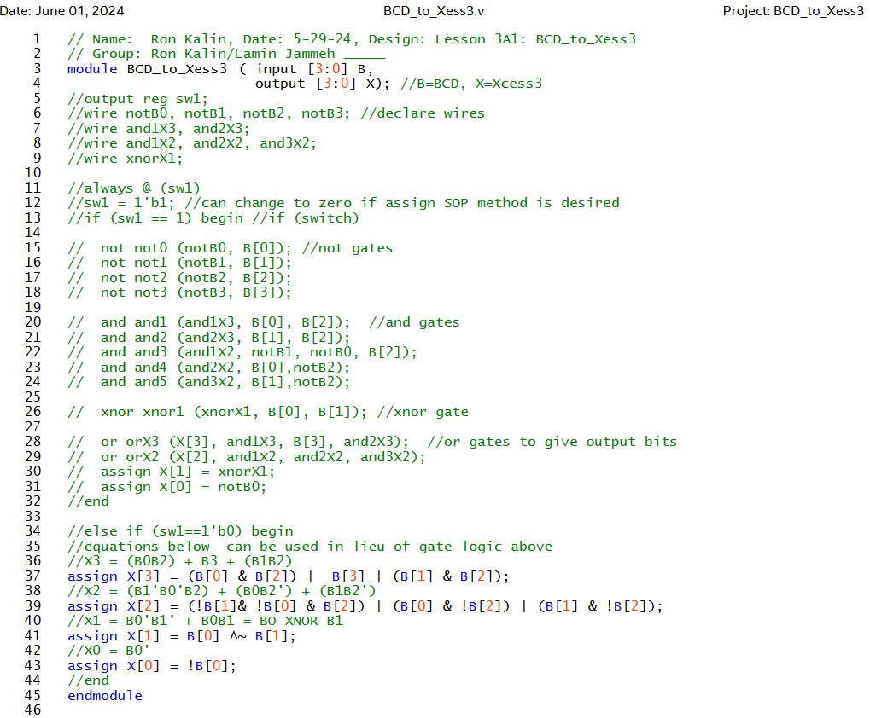
Module code
// Name: Ron Kalin, Date: 5-29-24, Design: Lesson 3A1: BCD_to_Xess3
// Group: Ron Kalin/Lamin Jammeh _____
module BCD_to_Xess3 ( input [3:0] B,
output [3:0] X); //B=BCD, X=Xcess3
//output reg sw1;
//wire notB0, notB1, notB2, notB3; //declare wires
//wire and1X3, and2X3;
//wire and1X2, and2X2, and3X2;
//wire xnorX1;

//always @ (sw1)
//sw1 = 1'b1; //can change to zero if assign SOP method is desired
//if (sw1 == 1) begin //if (switch)

// not not0 (notB0, B[0]); //not gates
// not not1 (notB1, B[1]);
// not not2 (notB2, B[2]);
// not not3 (notB3, B[3]);

// and and1 (and1X3, B[0], B[2]); //and gates
// and and2 (and2X3, B[1], B[2]);
// and and3 (and1X2, notB1, notB0, B[2]);
// and and4 (and2X2, B[0],notB2);
// and and5 (and3X2, B[1],notB2);

// xnor xnor1 (xnorX1, B[0], B[1]); //xnor gate

// or orX3 (X[3], and1X3, B[3], and2X3); //or gates to give output bits
// or orX2 (X[2], and1X2, and2X2, and3X2);
// assign X[1] = xnorX1;
// assign X[0] = notB0;
//end

//else if (sw1==1'b0) begin
//equations below can be used in lieu of gate logic above
//X3 = (B0B2) + B3 + (B1B2)
assign X[3] = (B[0] & B[2]) | B[3] | (B[1] & B[2]);
//X2 = (B1'B0'B2) + (B0B2') + (B1B2')
assign X[2] = (!B[1]& !B[0] & B[2]) | (B[0] & !B[2]) | (B[1] & !B[2]);
//X1 = B0'B1' + B0B1 = BO XNOR B1
assign X[1] = B[0] ^~ B[1];
//X0 = B0'
assign X[0] = !B[0];
//end
endmodule
This code was written two ways. Using gate logic (commented out) and using operator SOP logic function equations (chosen, not commented out).
Netlist RTL Viewer |  |  | Using Gate Logic |  |  |  |  |  |  | Using assign operator SOP logic function Equations
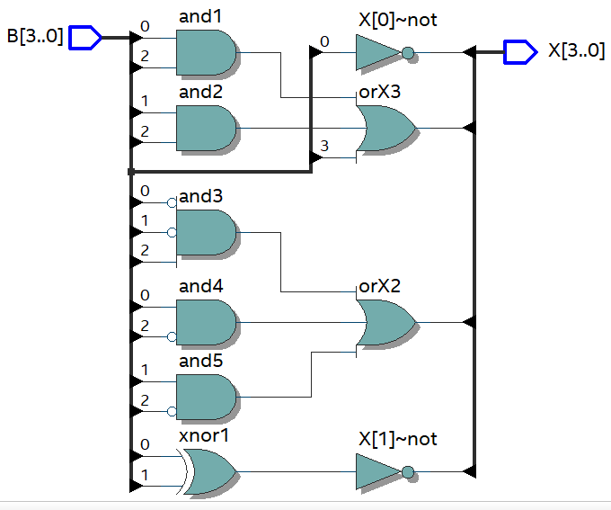
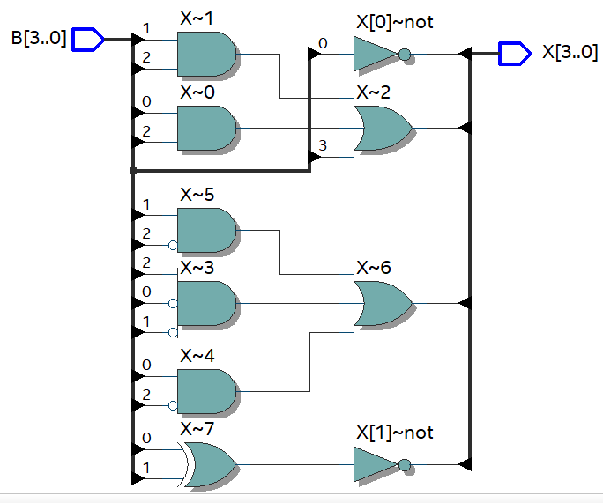

testbench BDC_to_Xcess3
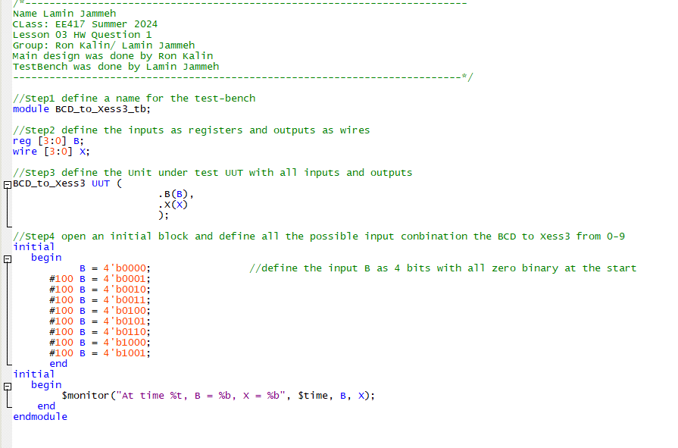

Simulation Results
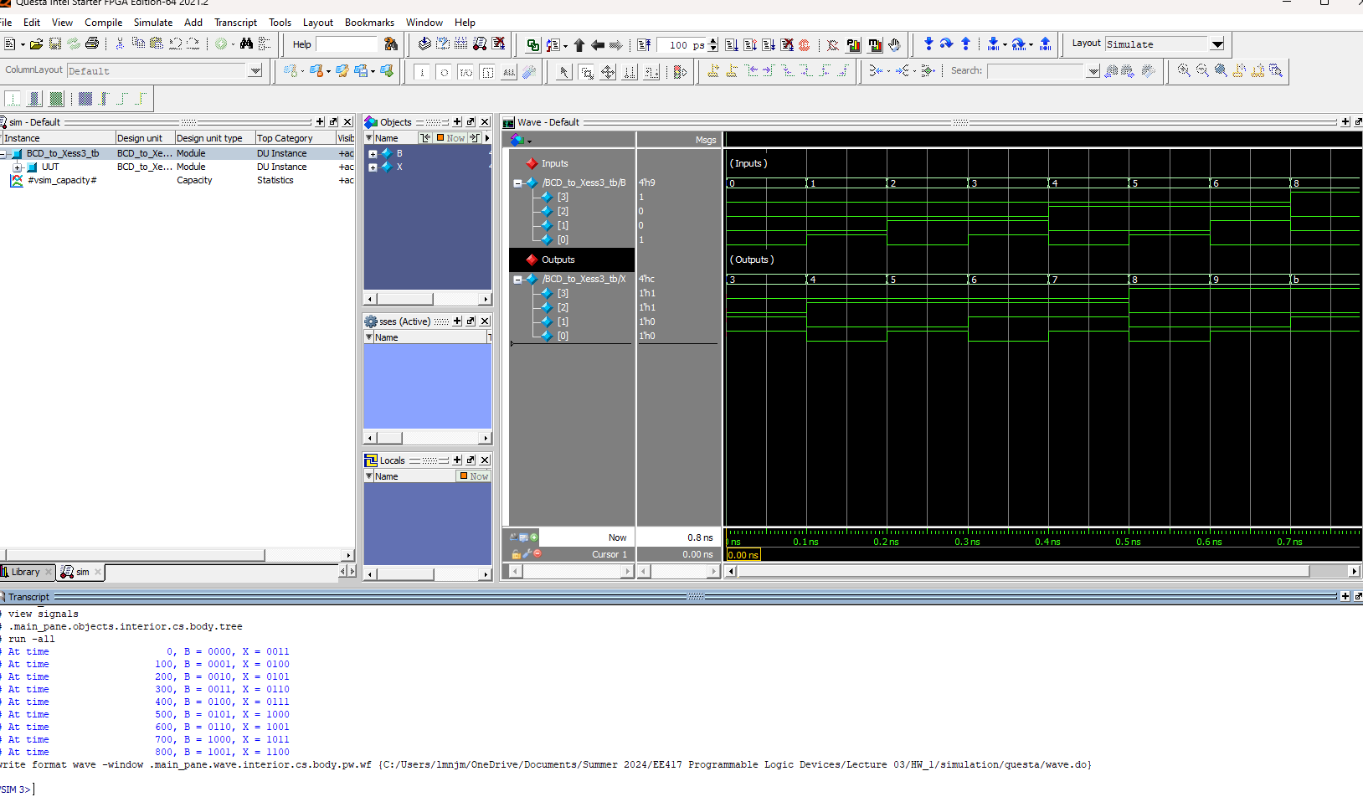

Briefly (in one or two sentences) verify the simulation results and include the RTL schematics implementing your switching functions.
Simulation results verify that Xcess3 is BCD plus 3 or (0011 in binary)

